Introduction
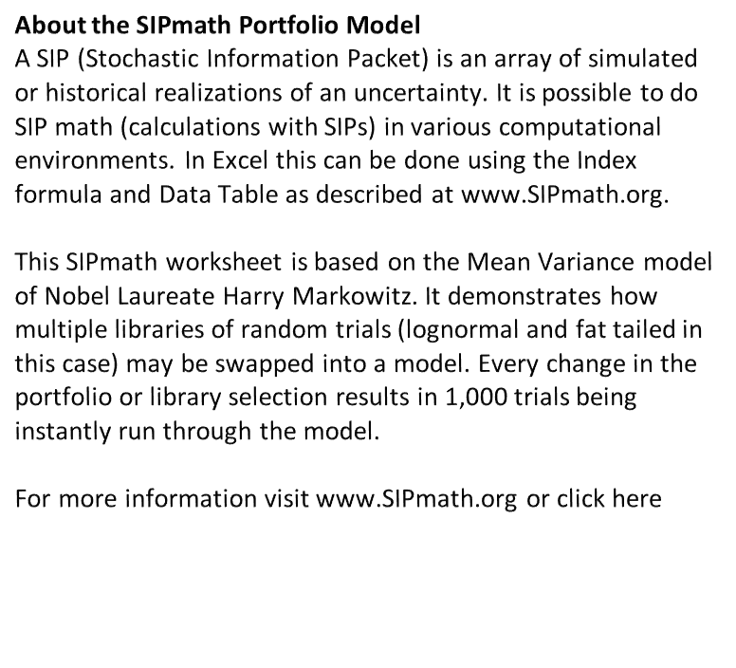
Adjust Your Portfolio Here

Mean and Variance are Instantly Graphed Here

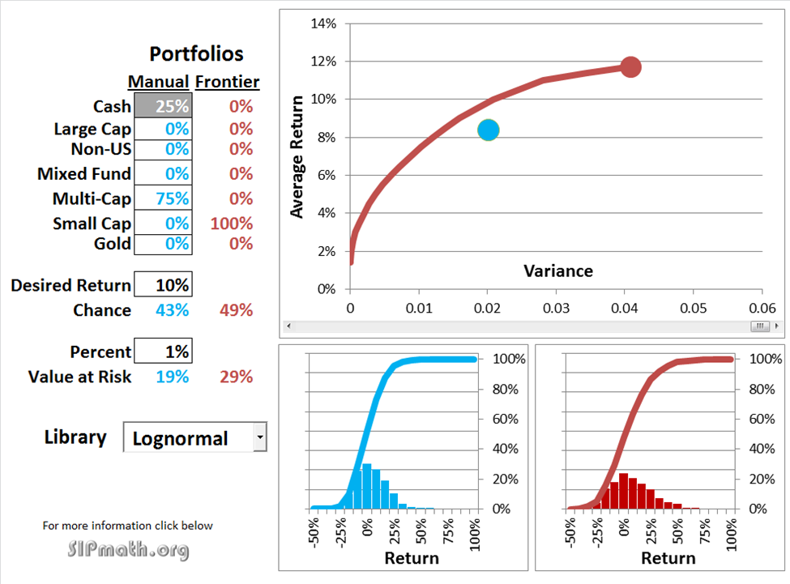

Specify Targets, VAR Percent and Library
Specify Targets, VAR Percent and Library
Specify Targets, VAR Percent and Library

Scroll the Efficient Frontier Here

Distribution of Efficient Portfolios

Distribution Instantly Appears Here
© Copyright 2012, Probability Management Inc., all rights reserved.
www.probabilitymanagement.org

Portfolio Model
 | F_Point |  | Frontier |  | Chosen
0.0019991198516 | 0.04 | 2.1803860528E-05 | 0.014 | 0.023426323506 | 0.09295
 |  | 3.105665708E-05 | 0.015
 |  | 0.00015749413113 | 0.02
 |  | 0.00041751918762 | 0.025
 |  | 0.00081113182653 | 0.03
 |  | 0.0013383320479 | 0.035
 |  | 0.0019991198516 | 0.04
 |  | 0.0027934952378 | 0.045
 |  | 0.0037214582064 | 0.05
 |  | 0.0047830087575 | 0.055
 |  | 0.005978146891 | 0.06
 |  | 0.0073068726069 | 0.065
 |  | 0.0087691859052 | 0.07
 |  | 0.010365086786 | 0.075
 |  | 0.012094575249 | 0.08
 |  | 0.013957651295 | 0.085
 |  | 0.015965729602 | 0.09
 |  | 0.018255063844 | 0.095
 |  | 0.020865348479 | 0.1
 |  | 0.028047534933 | 0.11
 |  | 0.034343690243 | 0.114
 |  | 0.04084486442 | 0.117

 |  | Portfolios |  |  | Lognormal | Lognormal | 1
 |  | Manual | Frontier |  | Fat Tailed
 | Cash | 15% | 64%
 | Large Cap | 0% | 13% | NOTE: Calculation Option must be set to Automatic.
 | Non-US | 10% | 8%
 | Mixed Fund | 0% | 0%
 | Multi-Cap | 75% | 0%
 | Small Cap | 0% | 7%
 | Gold | 0% | 9%

 | Desired Return | 10%
 | Chance | 45% | 10%

-0.5 | 0.00 | 0.00
-0.4 | 0.00 | 0.00
-0.3 | 0.00 | 0.00
-0.3 | 0.02 | 0.03
-0.2 | 0.09 | 0.11
-0.1 | 0.18 | 0.29
0.0 | 0.21 | 0.50
0.1 | 0.20 | 0.70
0.2 | 0.15 | 0.85
0.3 | 0.09 | 0.94
0.3 | 0.04 | 0.98
0.4 | 0.01 | 0.99
0.5 | 0.01 | 1.00
0.6 | 0.00 | 1.00
0.7 | 0.00 | 1.00
0.8 | 0.00 | 1.00
0.8 | 0.00 | 1.00
0.9 | 0.00 | 1.00
1.0 | 0.00 | 1.00
-0.5 | 0.00 | 0.00
-0.4 | 0.00 | 0.00
-0.3 | 0.00 | 0.00
-0.3 | 0.00 | 0.00
-0.2 | 0.00 | 0.00
-0.1 | 0.18 | 0.18
0.0 | 0.64 | 0.83
0.1 | 0.17 | 1.00
0.2 | 0.01 | 1.00
0.3 | 0.00 | 1.00
0.3 | 0.00 | 1.00
0.4 | 0.00 | 1.00
0.5 | 0.00 | 1.00
0.6 | 0.00 | 1.00
0.7 | 0.00 | 1.00
0.8 | 0.00 | 1.00
0.8 | 0.00 | 1.00
0.9 | 0.00 | 1.00
1.0 | 0.00 | 1.00
 | Percent | 1%
 | Value at Risk | 21% | 5%

 | Library

 | www.ProbabilityManagement.org

© Copyright 2012, ProbabilityManagement.org

